WIND2
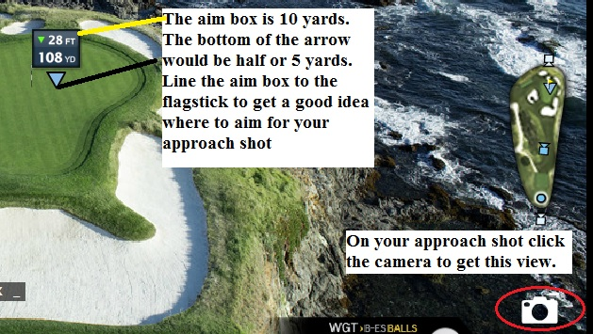
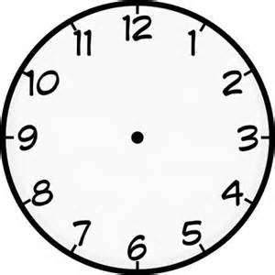
WIND & DISTANCE |  |  | DIRECTION | OFFSET YARDAGE | DISTANCE FACTOR |  | The wind distance values (in the pale orange cells left) can be tweaked at your discretion. For example, adding 0.001 to the wind distance factor value that is on the same row as the wind direction value of 6, will add approx 1yrd to the Adjusted Distance for a 100yrd shot with a 10mph headwind. (The wind direction value 6, is a wind direction of 6 o'clock, a direct headwind).
Shot Distance | 100 yards | WIND DIRECTION | 1 | 5 | -0.0033335 | WIND DISTANCE
Shot Elevation | 10 feet |  | 2 | 7 | -0.0016665
Wind Speed | 10 mph |  | 3 | 10 | 0.0000000
Wind Direction | 10 o'clock |  | 4 | 7 | 0.0016665
Wind Offset | 6.7 yards |  | 5 | 5 | 0.0033335
Adjusted Distance | 101.7 yards |  | 6 | 0 | 0.0050000
 |  |  | 7 | 5 | 0.0033335
 |  |  | 8 | 7 | 0.0016665
 | Pinhunters Website |  | 9 | 10 | 0.0000000
 |  |  | 10 | 7 | -0.0016665
 |  |  | 11 | 5 | -0.0033335
 |  |  | 12 | 0 | -0.0050000

PUTTING2
PUTTING |  |  | GREEN SPEED VALUES | Slow 7.4 | 1.1500
Distance | 10.0 ft |  |  | Standard 7.9 | 1.0526
Elevation | − 1 in |  |  | Fast 9 | 1.0000
Green Speed | Tournament 12 |  |  | Very fast 10 | 0.9000
Power | 6.5 ft |  |  | Tournament 11 | 0.8180
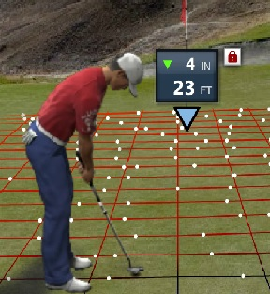
 |  |  |  | Tournament 12 | 0.7500
 |  |  |  | Championship 13 | 0.6923

 |  | The VGG CADDY

